Sheet1
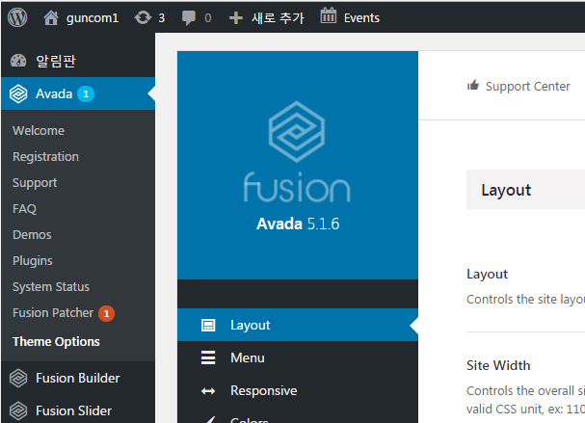
Avada 참조 site
 | https://avada.kr/avada-manual/avada-theme-korean/

Layout 설정

